Guide
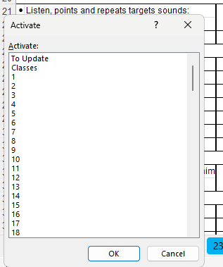
HOW TO RECORD PROGRESS REPORT SCORES
In order to record the scores of progress report,
 |  | go to "Classes"
 |  | click on the ordinal number of any kid you want to record the scores
 |  | For example, you click on "15" of K1 from 3:00 to 5:00 if you want to record the score for "Phy Sorphea"
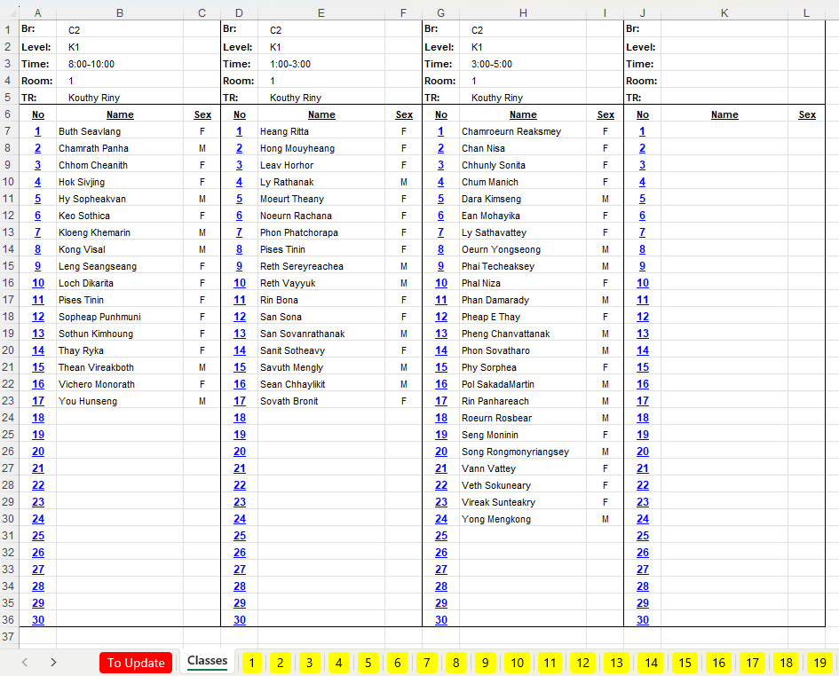

 |  | now as you reach the page for "Phy Sorphea", you can record the score
 |  | after you do so, you should click right mose on the left scroller " < " at the bottom left in order to go back to "Classes"
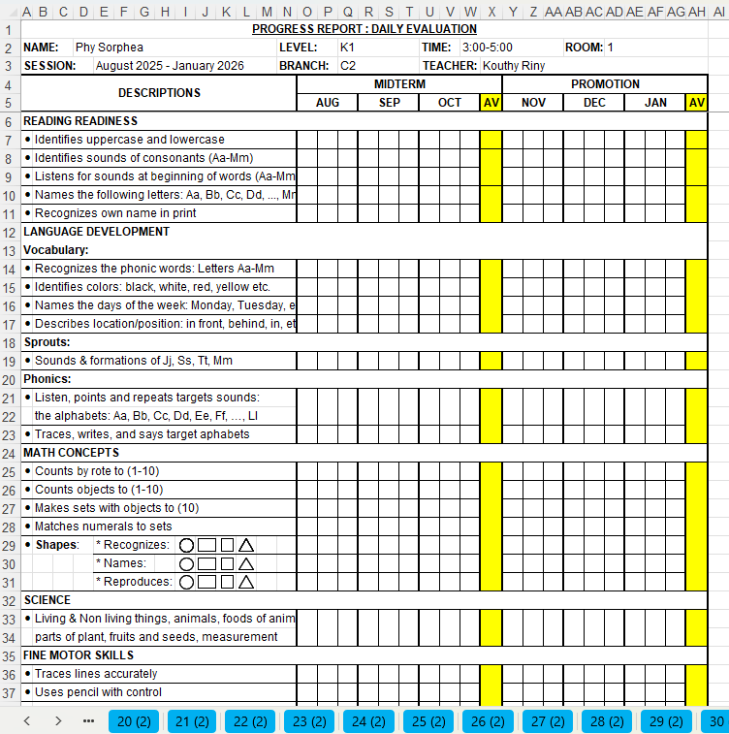

 |  | when you click right mose on the left scroller " < " at the bottom left, the Activate boad appears
 |  | click on "Classes" and then "OK"

